Custom Numbers
SOLUTION - Custom Numbers

Task: Apply a custom format to the numbers in the table to display billions. Start with a dollar sign and only one digit after the decimal point, followed by the letter "B".
E.g. $6.6 B

 | $ | 2016-12-31
 | Beginning PP&E | $6.6 B
 | D&A | -$4.4 B
 | Existing fixed assets | $2.2 B
 | Capex | $5.8 B
 | Ending PP&E | $8 B

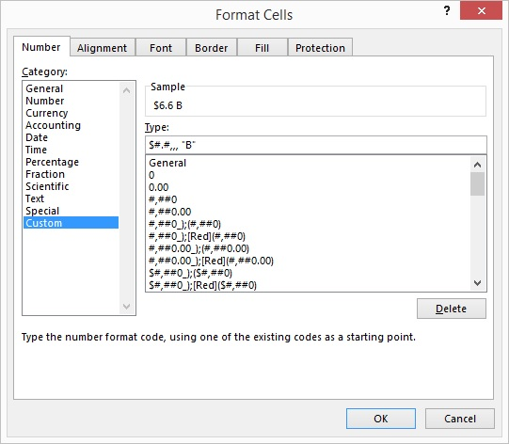
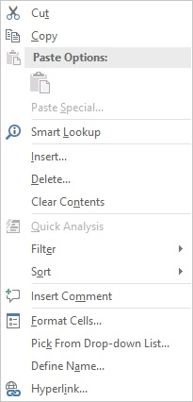

 | Therefore, when customizing number formats, remember the dot need not be put within inverted commas to be seen as a dot in the sample.

